Sheet1
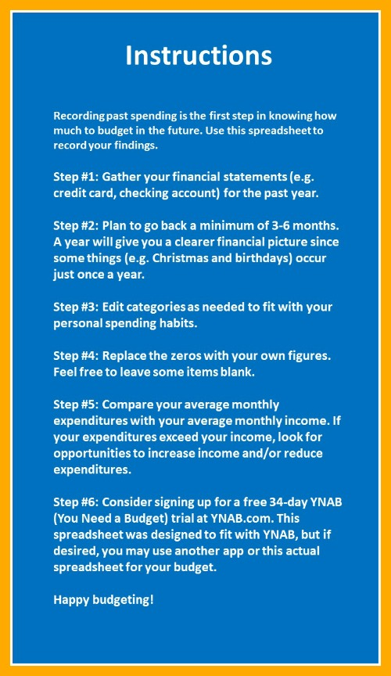
(Book Title) Spending Tracker

Category | Jan | Feb | Mar | Apr | May | Jun | Jul | Aug | Sep | Oct | Nov | Dec | Monthly Average

Monthly Priorities

Rent/Mortgage | $0.00 | $0.00 | $0.00 | $0.00 | $0.00 | $0.00 | $0.00 | $0.00 | $0.00 | $0.00 | $0.00 | $0.00 | $0.00
Electric | $0.00 | $0.00 | $0.00 | $0.00 | $0.00 | $0.00 | $0.00 | $0.00 | $0.00 | $0.00 | $0.00 | $0.00 | $0.00
Water | $0.00 | $0.00 | $0.00 | $0.00 | $0.00 | $0.00 | $0.00 | $0.00 | $0.00 | $0.00 | $0.00 | $0.00 | $0.00
Trash | $0.00 | $0.00 | $0.00 | $0.00 | $0.00 | $0.00 | $0.00 | $0.00 | $0.00 | $0.00 | $0.00 | $0.00 | $0.00
Internet | $0.00 | $0.00 | $0.00 | $0.00 | $0.00 | $0.00 | $0.00 | $0.00 | $0.00 | $0.00 | $0.00 | $0.00 | $0.00
Groceries | $0.00 | $0.00 | $0.00 | $0.00 | $0.00 | $0.00 | $0.00 | $0.00 | $0.00 | $0.00 | $0.00 | $0.00 | $0.00
Transportation | $0.00 | $0.00 | $0.00 | $0.00 | $0.00 | $0.00 | $0.00 | $0.00 | $0.00 | $0.00 | $0.00 | $0.00 | $0.00
Interest and Fees | $0.00 | $0.00 | $0.00 | $0.00 | $0.00 | $0.00 | $0.00 | $0.00 | $0.00 | $0.00 | $0.00 | $0.00 | $0.00
Netflix/Hulu/Amazon Prime | $0.00 | $0.00 | $0.00 | $0.00 | $0.00 | $0.00 | $0.00 | $0.00 | $0.00 | $0.00 | $0.00 | $0.00 | $0.00
Other | $0.00 | $0.00 | $0.00 | $0.00 | $0.00 | $0.00 | $0.00 | $0.00 | $0.00 | $0.00 | $0.00 | $0.00 | $0.00
Other | $0.00 | $0.00 | $0.00 | $0.00 | $0.00 | $0.00 | $0.00 | $0.00 | $0.00 | $0.00 | $0.00 | $0.00 | $0.00
Other | $0.00 | $0.00 | $0.00 | $0.00 | $0.00 | $0.00 | $0.00 | $0.00 | $0.00 | $0.00 | $0.00 | $0.00 | $0.00

Monthly Priorities Total | $0.00 | $0.00 | $0.00 | $0.00 | $0.00 | $0.00 | $0.00 | $0.00 | $0.00 | $0.00 | $0.00 | $0.00 | $0.00

True Expenses

Auto Maintenance | $0.00 | $0.00 | $0.00 | $0.00 | $0.00 | $0.00 | $0.00 | $0.00 | $0.00 | $0.00 | $0.00 | $0.00 | $0.00
Home Maintenance | $0.00 | $0.00 | $0.00 | $0.00 | $0.00 | $0.00 | $0.00 | $0.00 | $0.00 | $0.00 | $0.00 | $0.00 | $0.00
Renter's/Home Insurance | $0.00 | $0.00 | $0.00 | $0.00 | $0.00 | $0.00 | $0.00 | $0.00 | $0.00 | $0.00 | $0.00 | $0.00 | $0.00
Medical | $0.00 | $0.00 | $0.00 | $0.00 | $0.00 | $0.00 | $0.00 | $0.00 | $0.00 | $0.00 | $0.00 | $0.00 | $0.00
Clothing | $0.00 | $0.00 | $0.00 | $0.00 | $0.00 | $0.00 | $0.00 | $0.00 | $0.00 | $0.00 | $0.00 | $0.00 | $0.00
Gifts | $0.00 | $0.00 | $0.00 | $0.00 | $0.00 | $0.00 | $0.00 | $0.00 | $0.00 | $0.00 | $0.00 | $0.00 | $0.00
Giving | $0.00 | $0.00 | $0.00 | $0.00 | $0.00 | $0.00 | $0.00 | $0.00 | $0.00 | $0.00 | $0.00 | $0.00 | $0.00
Computer Replacement | $0.00 | $0.00 | $0.00 | $0.00 | $0.00 | $0.00 | $0.00 | $0.00 | $0.00 | $0.00 | $0.00 | $0.00 | $0.00
Software Subscriptions | $0.00 | $0.00 | $0.00 | $0.00 | $0.00 | $0.00 | $0.00 | $0.00 | $0.00 | $0.00 | $0.00 | $0.00 | $0.00
Savings and Investments | $0.00 | $0.00 | $0.00 | $0.00 | $0.00 | $0.00 | $0.00 | $0.00 | $0.00 | $0.00 | $0.00 | $0.00 | $0.00
Other | $0.00 | $0.00 | $0.00 | $0.00 | $0.00 | $0.00 | $0.00 | $0.00 | $0.00 | $0.00 | $0.00 | $0.00 | $0.00
Other | $0.00 | $0.00 | $0.00 | $0.00 | $0.00 | $0.00 | $0.00 | $0.00 | $0.00 | $0.00 | $0.00 | $0.00 | $0.00

True Expenses Total | $0.00 | $0.00 | $0.00 | $0.00 | $0.00 | $0.00 | $0.00 | $0.00 | $0.00 | $0.00 | $0.00 | $0.00 | $0.00

Debt Payments

Student Loan | $0.00 | $0.00 | $0.00 | $0.00 | $0.00 | $0.00 | $0.00 | $0.00 | $0.00 | $0.00 | $0.00 | $0.00 | $0.00
Auto Loan | $0.00 | $0.00 | $0.00 | $0.00 | $0.00 | $0.00 | $0.00 | $0.00 | $0.00 | $0.00 | $0.00 | $0.00 | $0.00
Credit Card Payments | $0.00 | $0.00 | $0.00 | $0.00 | $0.00 | $0.00 | $0.00 | $0.00 | $0.00 | $0.00 | $0.00 | $0.00 | $0.00
Other | $0.00 | $0.00 | $0.00 | $0.00 | $0.00 | $0.00 | $0.00 | $0.00 | $0.00 | $0.00 | $0.00 | $0.00 | $0.00
Other | $0.00 | $0.00 | $0.00 | $0.00 | $0.00 | $0.00 | $0.00 | $0.00 | $0.00 | $0.00 | $0.00 | $0.00 | $0.00
Other | $0.00 | $0.00 | $0.00 | $0.00 | $0.00 | $0.00 | $0.00 | $0.00 | $0.00 | $0.00 | $0.00 | $0.00 | $0.00

Debt Payments Total | $0.00 | $0.00 | $0.00 | $0.00 | $0.00 | $0.00 | $0.00 | $0.00 | $0.00 | $0.00 | $0.00 | $0.00 | $0.00

Quality of Life

Vacation | $0.00 | $0.00 | $0.00 | $0.00 | $0.00 | $0.00 | $0.00 | $0.00 | $0.00 | $0.00 | $0.00 | $0.00 | $0.00
Fitness | $0.00 | $0.00 | $0.00 | $0.00 | $0.00 | $0.00 | $0.00 | $0.00 | $0.00 | $0.00 | $0.00 | $0.00 | $0.00
Education | $0.00 | $0.00 | $0.00 | $0.00 | $0.00 | $0.00 | $0.00 | $0.00 | $0.00 | $0.00 | $0.00 | $0.00 | $0.00
Spa | $0.00 | $0.00 | $0.00 | $0.00 | $0.00 | $0.00 | $0.00 | $0.00 | $0.00 | $0.00 | $0.00 | $0.00 | $0.00
Other | $0.00 | $0.00 | $0.00 | $0.00 | $0.00 | $0.00 | $0.00 | $0.00 | $0.00 | $0.00 | $0.00 | $0.00 | $0.00
Other | $0.00 | $0.00 | $0.00 | $0.00 | $0.00 | $0.00 | $0.00 | $0.00 | $0.00 | $0.00 | $0.00 | $0.00 | $0.00
Other | $0.00 | $0.00 | $0.00 | $0.00 | $0.00 | $0.00 | $0.00 | $0.00 | $0.00 | $0.00 | $0.00 | $0.00 | $0.00
Other | $0.00 | $0.00 | $0.00 | $0.00 | $0.00 | $0.00 | $0.00 | $0.00 | $0.00 | $0.00 | $0.00 | $0.00 | $0.00

Quality of Life Total | $0.00 | $0.00 | $0.00 | $0.00 | $0.00 | $0.00 | $0.00 | $0.00 | $0.00 | $0.00 | $0.00 | $0.00 | $0.00

Just for Fun

Dining Out | $0.00 | $0.00 | $0.00 | $0.00 | $0.00 | $0.00 | $0.00 | $0.00 | $0.00 | $0.00 | $0.00 | $0.00 | $0.00
Gaming | $0.00 | $0.00 | $0.00 | $0.00 | $0.00 | $0.00 | $0.00 | $0.00 | $0.00 | $0.00 | $0.00 | $0.00 | $0.00
Music | $0.00 | $0.00 | $0.00 | $0.00 | $0.00 | $0.00 | $0.00 | $0.00 | $0.00 | $0.00 | $0.00 | $0.00 | $0.00
Fun Money | $0.00 | $0.00 | $0.00 | $0.00 | $0.00 | $0.00 | $0.00 | $0.00 | $0.00 | $0.00 | $0.00 | $0.00 | $0.00
Other | $0.00 | $0.00 | $0.00 | $0.00 | $0.00 | $0.00 | $0.00 | $0.00 | $0.00 | $0.00 | $0.00 | $0.00 | $0.00
Other | $0.00 | $0.00 | $0.00 | $0.00 | $0.00 | $0.00 | $0.00 | $0.00 | $0.00 | $0.00 | $0.00 | $0.00 | $0.00
Other | $0.00 | $0.00 | $0.00 | $0.00 | $0.00 | $0.00 | $0.00 | $0.00 | $0.00 | $0.00 | $0.00 | $0.00 | $0.00
Other | $0.00 | $0.00 | $0.00 | $0.00 | $0.00 | $0.00 | $0.00 | $0.00 | $0.00 | $0.00 | $0.00 | $0.00 | $0.00

Just for Fun Total | $0.00 | $0.00 | $0.00 | $0.00 | $0.00 | $0.00 | $0.00 | $0.00 | $0.00 | $0.00 | $0.00 | $0.00 | $0.00

Monthly Average Total |  |  |  |  |  |  |  |  |  |  |  |  | $0.00

